babelkowe
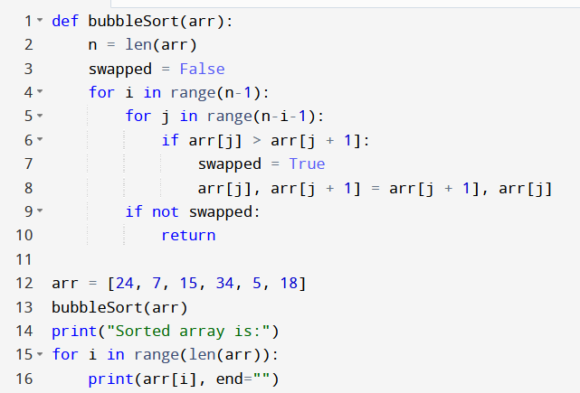
arr[] | n | swapped | i | j | arr[j] | arr[j+1]
A[]={24, 7, 15, 34, 5, 18}

przez wstawainie
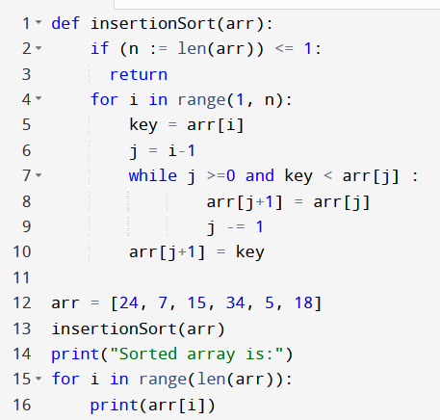
arr[] | n | i | k | j | arr[j] | arr[j+1]
A[]={24, 7, 15, 34, 5, 18}

przez wybieranie
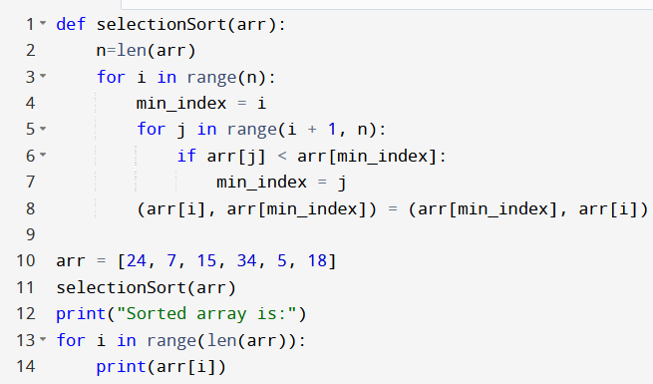
arr[] | n | i | key | j | arr[j]
A[]={24, 7, 15, 34, 5, 18} | 6 | 1 | 7 | 0 | 24
A[]={24, 24, 15, 34, 5, 18} |  |  |  | -1
A[]={7, 24, 15, 34, 5, 18}
A[]={7, 24, 24, 34, 5, 18} |  | 2 | 15 | 1 | 24
A[]={7, 15, 24, 34, 5, 18} |  |  |  | 0 | 7
 |  | 3 | 34 | 2
A[]={7, 15, 34, 34, 5, 18} |  | 4 | 5 | 3 | 34
A[]={7, 15, 34, 34, 5, 18} |  |  |  | 2 | 24
A[]={7, 15, 24,24, 5, 18} |  |  |  | 1 | 15
A[]={7, 15, 15,24, 34, 18} |  |  |  | 0 | 7
A[]={7, 7, 15,24, 34, 18}
A[]={5, 7, 15,24, 34, 18} |  |  |  | -1
A[]={5, 7, 15,24, 34, 34} |  |  | 5 | 18 | 4 | 34
A[]={5, 7, 15,24, 24, 18} |  |  |  |  | 3 | 24
A[]={5, 7, 15,18, 24, 34} |  |  |  |  | 2 | 15

